Directions
 | www.esdat.net

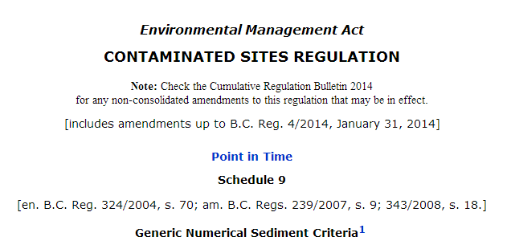

The import process is:

1. Import the guidelines appropriate to your project (these are in separate worksheets)
2. Refer to the source document for footnotes for specific substances

Disclaimer: All care has been exercised in the compilation of these guidelines for quick import to ESDAT, however no liability is taken for any error. It is the responsibility of the user to review the contained data and ensure their data is compliant with the relevant guidelines, and that this compilation meets their requirements.

