Directions
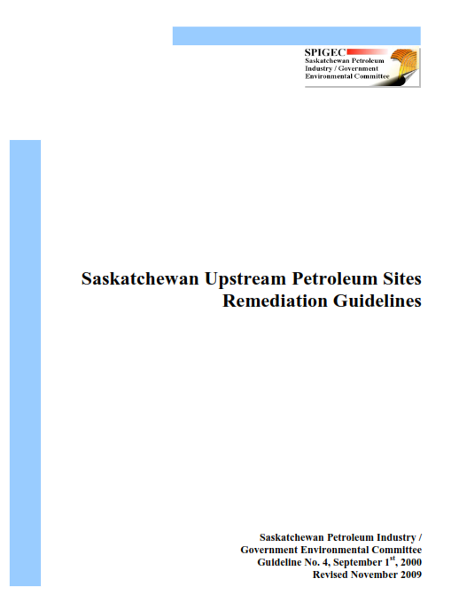
These Guidelines have been transposed from the original "Saskatchewan Upstream Petroleum Sites Remediation Guidelines", published by Saskatchewan Petroleum Industry / Government Environmental Committee Guideline No. 4 - Update 1 , September 1, 2000 - Revised November 2009

Disclaimer: All care has been exercised in the compilation of these guidelines for quick import to ESDAT, however no liability is taken for any error. It is the responsibility of the user to review the contained data and ensure their data is compliant with the relevant guidelines, and that this compilation meets their requirements.

Last Updated 11 Jan 2017

